Sheet1
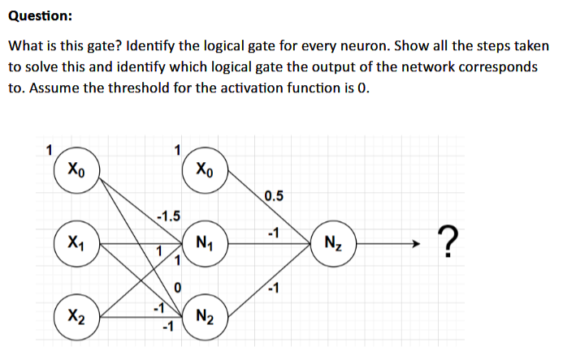
 |  |  |  |  | Solution

 |  |  |  |  | IF((X_n*W)+(X_n*W)+(X_0*W)>=0, 1, 0)
 |  |  |  |  | Where X_n are the respective neurons in the graph and W is the correct edge leading to the correct node.

 |  | AND | NAND | XOR
X1 | X2 | N1 | N2 | Nz | Y: g(x;w)
0 | 0 | 0 | 1 | 0 | 0
0 | 1 | 0 | 0 | 1 | 1
1 | 0 | 0 | 0 | 1 | 1
1 | 1 | 1 | 0 | 0 | 0

 |  |  |  |  | <-- XOR

